PIC
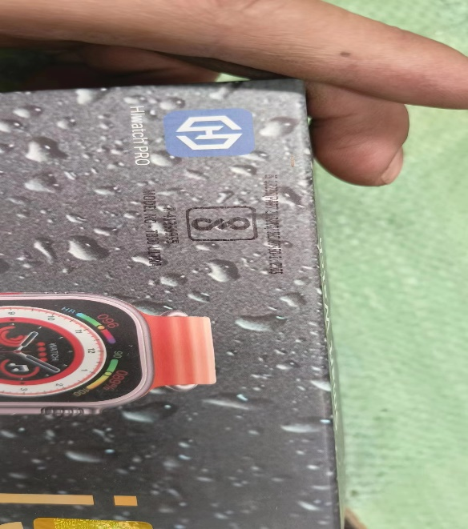
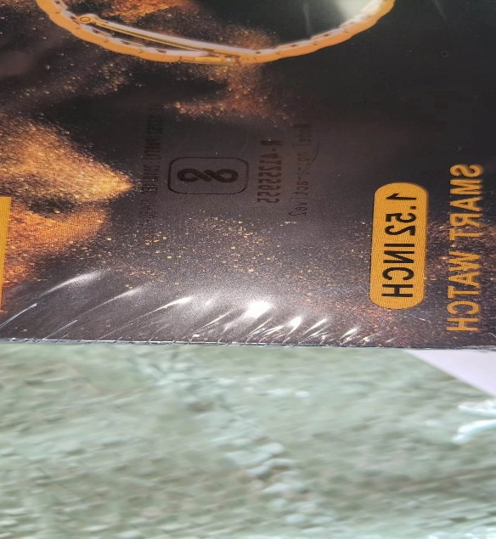
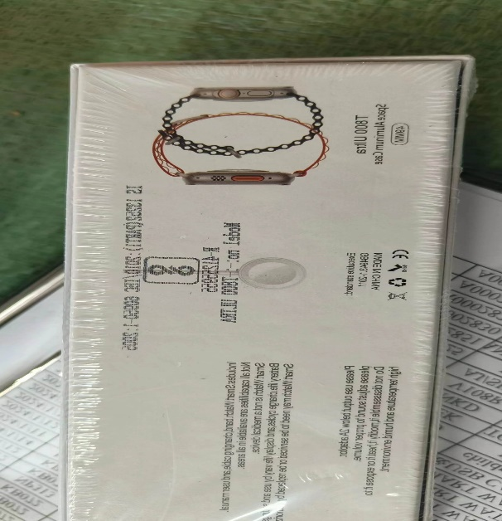
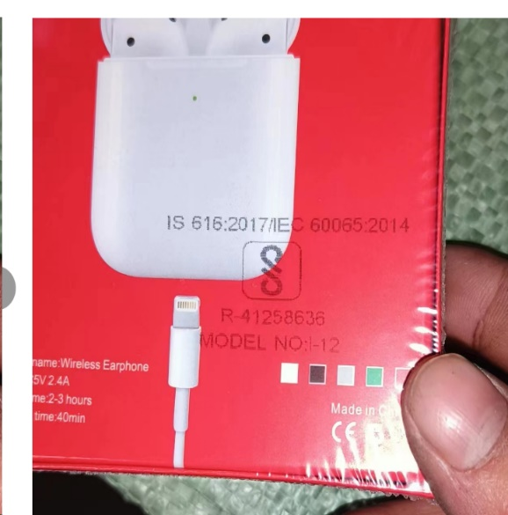

JJ:13 CTN SMART WATCH | TAN:10 CTN SMART WATCH |  |  | JM:40 CTN SMART WATCH |  | GMB:-79 CTN BT AIRPOD

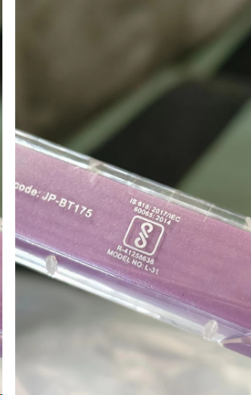

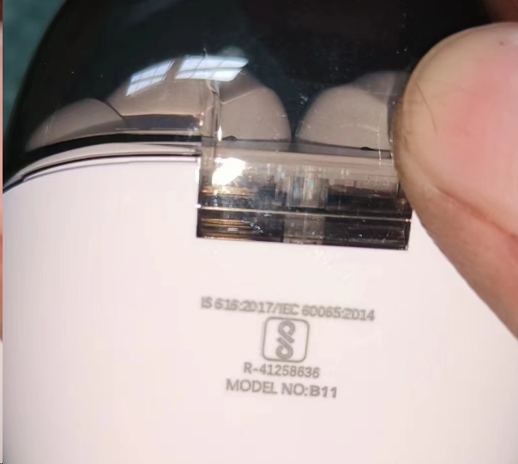
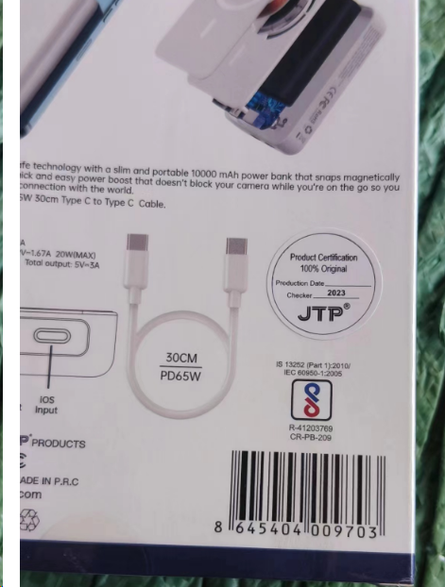

 | JKC:10 CTN BT NECKBAND |  |  | RTP:30 CTN POWER BANK |  | MKS:28 CTN BT AIRPODS
JKC:19 CTN BT AIRPOD

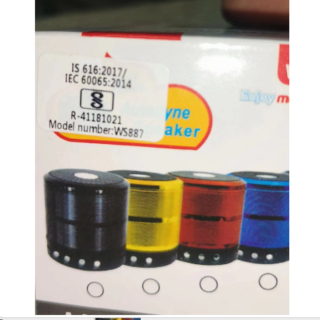
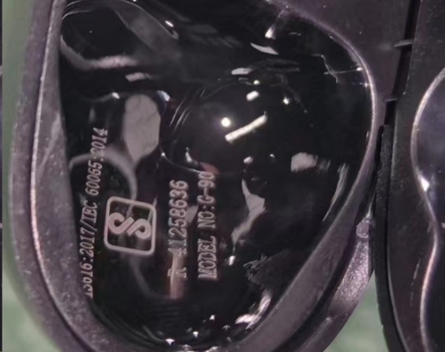

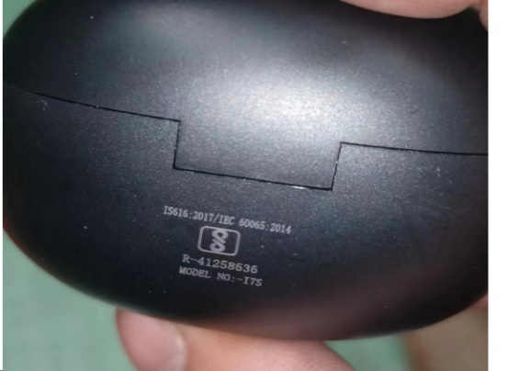

DM:50 CTN BT SPEAKER | ANK JK:6 CTN BT AIRPODS |  |  | DKS:15 CTN BT AIRPOD |  | GRA:5 CTN BT AIRPODS
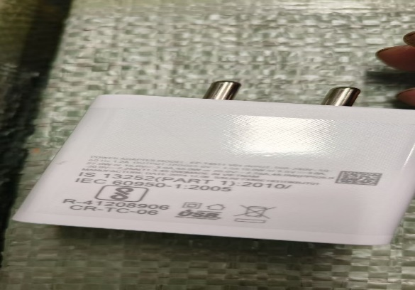
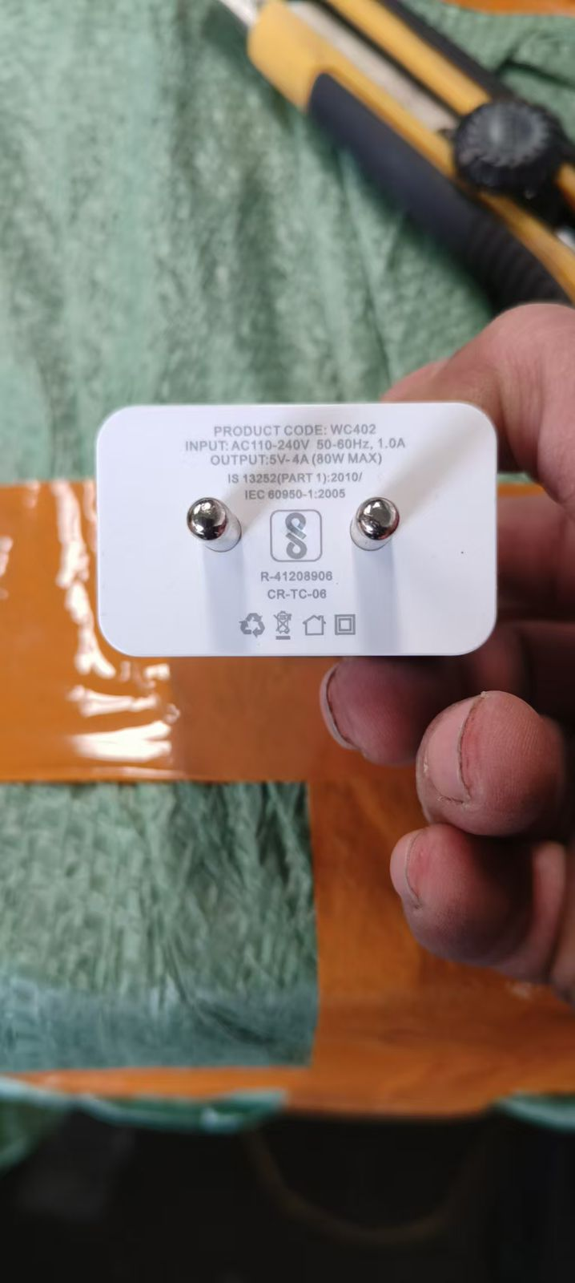
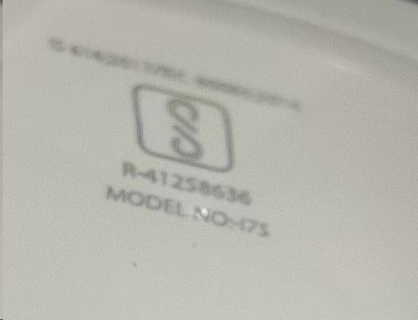
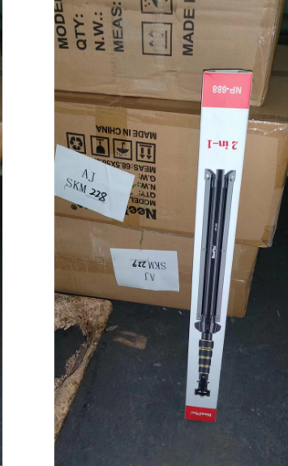

GRM:40 CTN BT AIRPODS |  | AJ/SKM:-24 CTN HOLDER | NPSL:28 CTN DOCK

 |  |  |  |  | AROMA:100 CTN DOCK
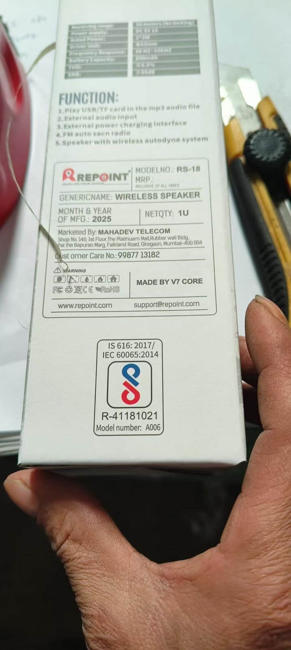
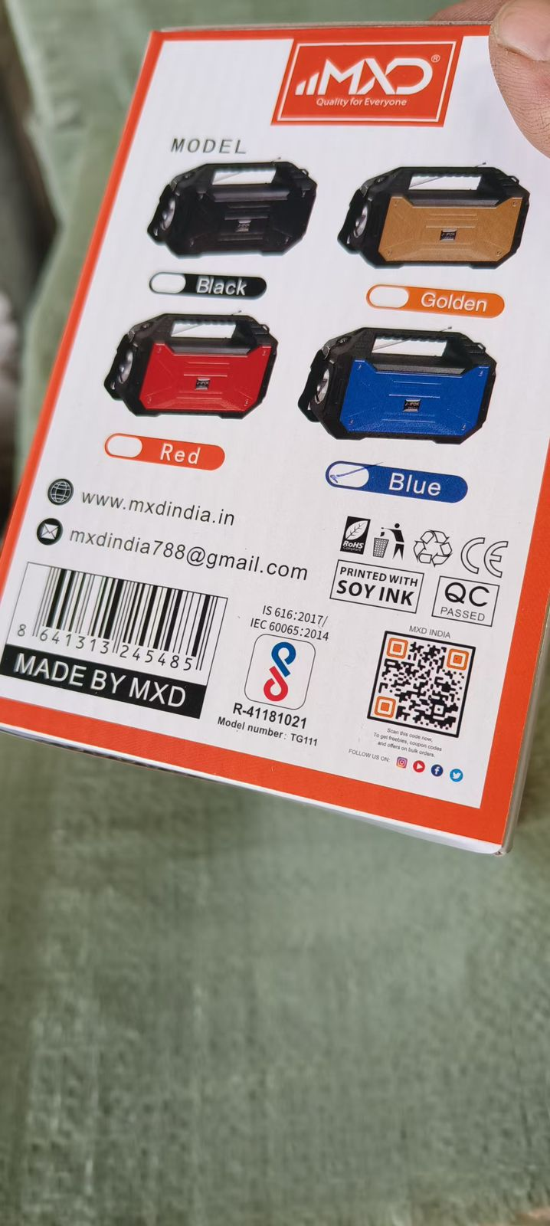

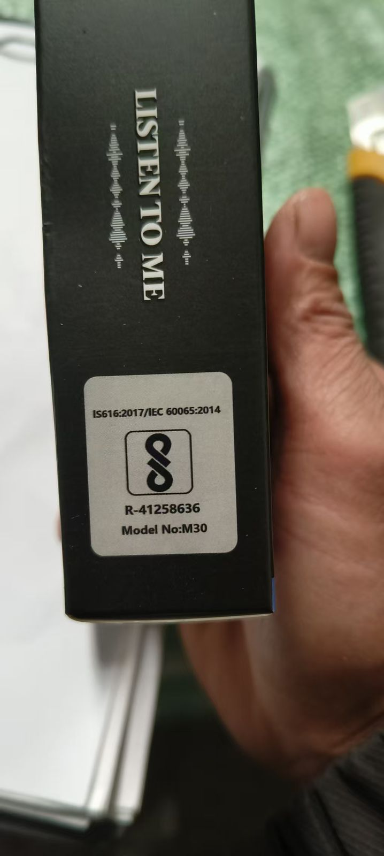

V7CORE:90 CTN SPEAKER

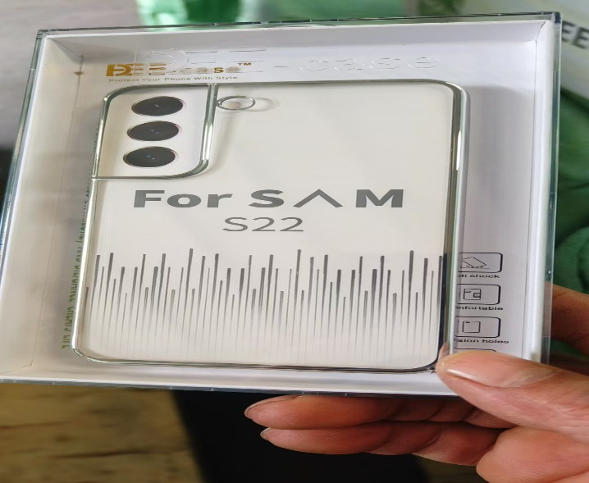
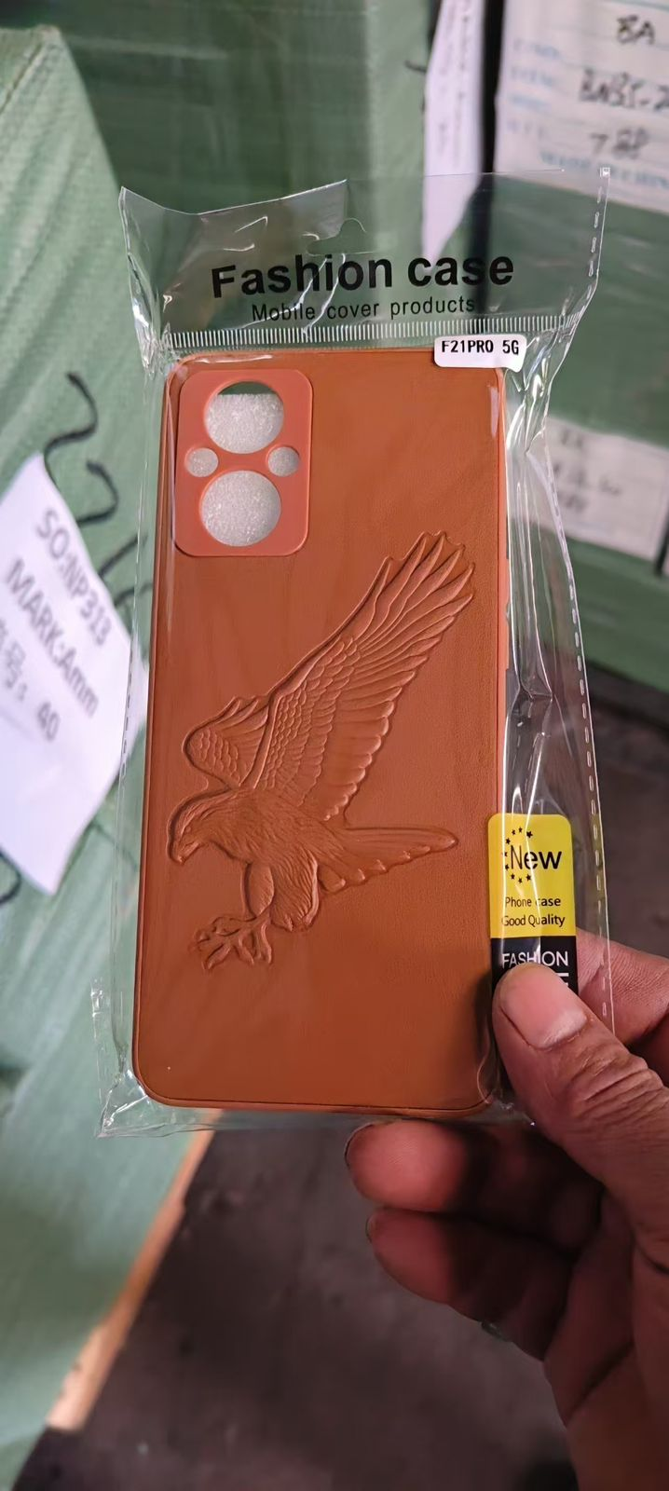
 |  |  |  | DKM: 25 CTN SPEAKER

 |  |  |  |  |  |  | JS:180 CTN BT AIRPODS

DEEG:28 CTN BACK COVER | AMM:40 CTN BACK COVER

